Introduction
Step 1 : Create Kit.zip file

1.1 Follow valid kit structure as depicted below
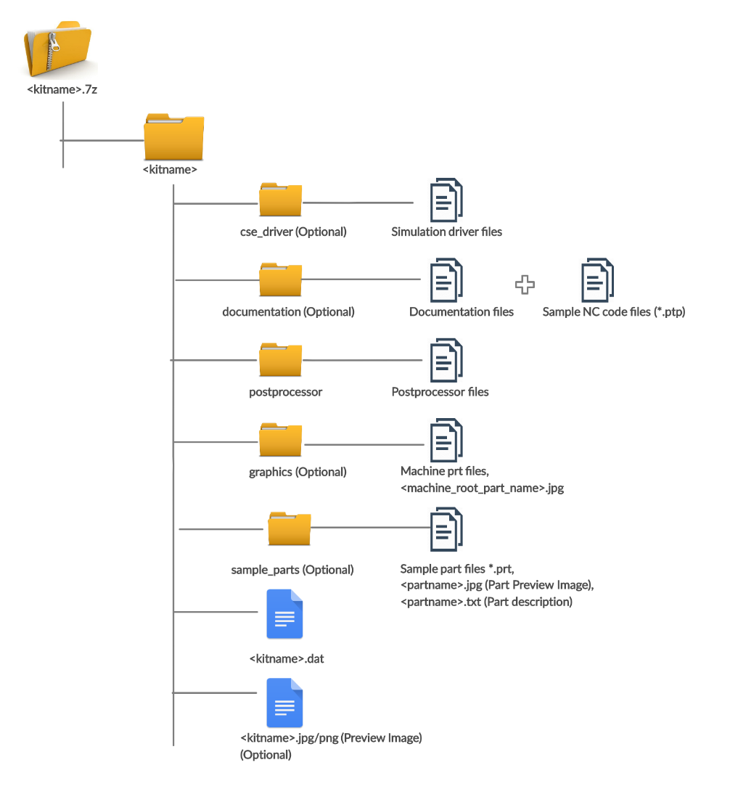

1.2 For Multiple Kits there will be many number of zip files (Unique name)*

Step 2: Fill Excel File
There are following columns to fill in Kit Data sheet

Column Name | Required | Comment
Sr.No | NO
Kit Name | YES | Unique name of the kit
Author | YES | Select from drop down
Controller Family | YES | Select from drop down
Machine Manufacturer | YES | Select from drop down
Axes | YES | Select from drop down
Unit | YES | Select from drop down
Manufacturing Technology | YES | Select from drop down
Build Date | YES | Format Should be:- (yyyy-mm-dd)
Kinematic configuration | YES | Select from drop down
Description | NO
Pricing | YES | Select from drop down
Build Version | YES | Supported NX version
Zip Name | YES | It should be same as kit 7z/zip file name with extension

Step 3: Zip this Excel file along with all the kitzip files
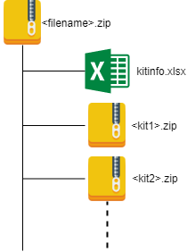

Final compressed file should be in above format

Step 4 : Upload File on Posthub lite admin Application
Note* : Uploading and installing will be processed in background and tracking will be avalibale on same page once the zip file is uploaded

Step 5: Track table will have following headers

Column
Request ID
Status
Started On
Completed On
Report To Download

5.1 Initial status will be pending
5.2 Use Refresh button to see the change in status (Auto Refresh is not yet availble)
5.3 Based on the size of the zip file it will take time
5.4 Reports will be available after upload process completed

